Sheet1
 | Source: Tax Return (1065) | Source: LP Memo |  |  |  |  | 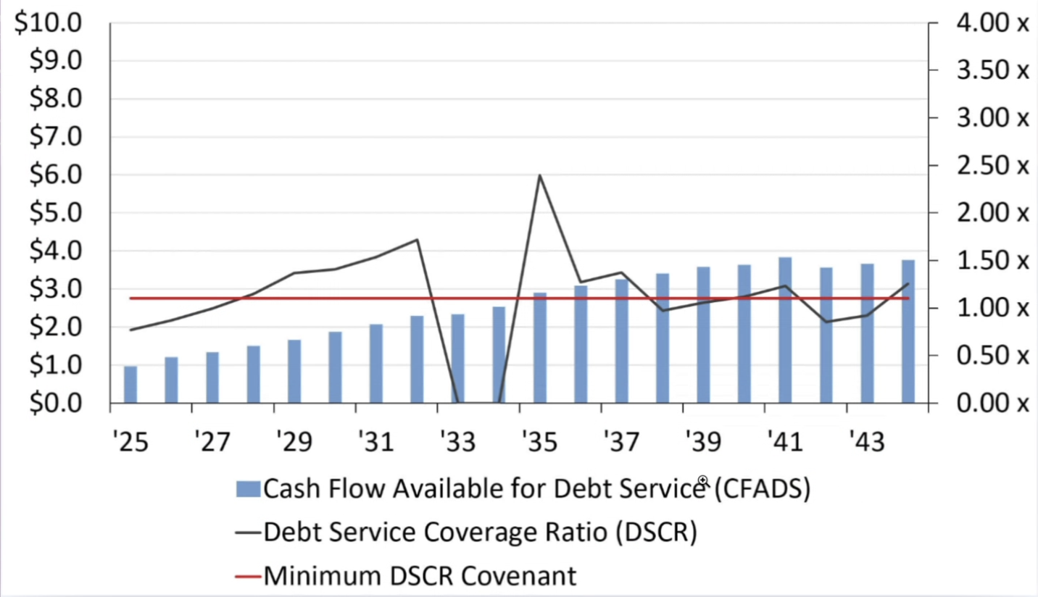 Sources: https://docs.google.com/document/d/1u8OvVIoQbkXlRyeMTF6CE0FTOJTMFxtaI3iuYFBGGCw/edit?tab=t.0
Year | Net Operating Income | Total Debt Service | Debt Service Coverage Ratio | Minimum Debt Service Coverage Ratio | % YoY Growth | Changes required:
2021 | 950,000.00 | 690,000.00 | 1.38 | 1.3 |  | NOI to increase over time
2022 | 1,000,000.00 | 690,000.00 | 1.45 | 1.3 | 5% | Should be over 1.3 each year, but should not surpass 2 (1.4-1.6)
2023 | 1,100,000.00 | 690,000.00 | 1.59 | 1.3 | 10%

